2.5
a)
 |  | Product A | Product B
 | Unit Profit | $3,000 | $2,000
 |  |  |  | Resource |  | Resource
 |  | Resource Usage per Unit Produced |  | Used |  | Available
 | Resource Q | 2 | 1 | 2 | <= | 2
 | Resource R | 1 | 2 | 2 | <= | 2
 | Resource S | 3 | 3 | 4 | <= | 4

 |  | Product A | Product B |  |  | Total Profit
 | Units Produced | 0.667 | 0.667 |  |  | $3,333.33
b)
Let A = units of product A produced B = units of product B produced
Maximize P = $3,000A + $2,000B
subject to 2A + B ≤ 2 A + 2B ≤ 2 3A + 3B ≤ 4 A ≥ 0, B ≥ 0.

2.10
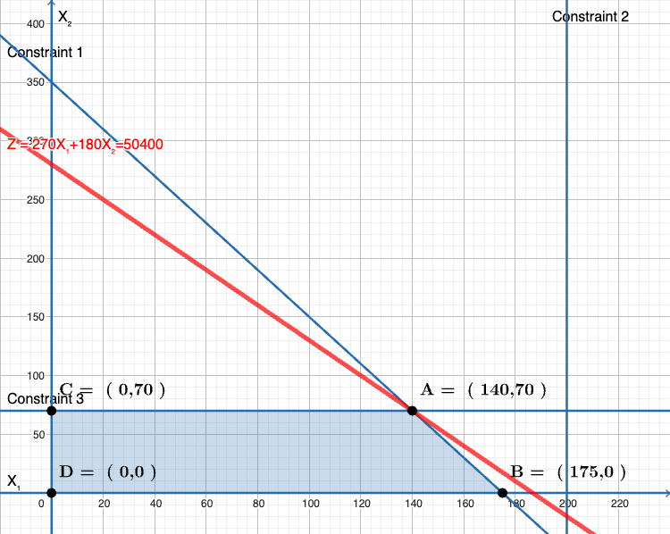
a) |  |  |  |  |  |  | c)
 |  | 65" Sets | 55" Sets
 | Unit Profit | $270 | $180
 |  |  |  | Hours |  | Hours
 |  | Work Hours Per Unit Produced |  | Used |  | Available
 | Work Hours | 20 | 10 | 3500 | <= | 3500

 |  |  |  |  |  | Total Profit
 | Units Produced | 140 | 70 |  |  | $50,400
 |  | <= | <=
 |  | 280 | 70
b)
Let x₁ = number of 65” TV sets to be produced per month Let x₂ = number of 55” TV sets to be produced per month
Maximize P = $270x₁ + $180x₂,
subject to 20x₁ + 10x₂ ≤ 3500 x₁ ≤ 280 x₂ ≤ 70 and x₁ ≥ 0, x₂ ≥ 0.

 |  |  |  |  |  |  |  | Link to Graph

2.12
a)
- The decisions: what quotas to establish for the two product lines.
- The constraints: the amounts of work hours available in underwriting, administration, and claims. In addition, negative levels are not possible.
- The overall measure of performance for the decisions is the profit to be made.
b) Max Profit = $5 (# special risk) + $2 (# mortgage)
Subject to:
underwriting: 3 (# special risk) + 2 (# mortgage) ≤ 2400 administration: 1 (# mortgage) ≤ 800 claims: 2 (# special risk) ≤ 1200 Nonnegativity: (# special risk) ≥ 0
(# mortgage) ≥ 0

 | Special Risk | Mortgage
Unit Profit | $5 | $2
 |  |  | Work-Hours |  | Work-Hours
 | Work-Hours per Unit |  | Used |  | Available
Underwriting | 3 | 2 | 2,400 | <= | 2,400
Administration | 0 | 1 | 300 | <= | 800
Claims | 2 | 0 | 1,200 | <= | 1,200

 | Special Risk | Mortgage |  |  | Total Profit
Sales Quota | 600 | 300 |  |  | $3,600

2.22
a)
- The decisions: how many servings of steak and potatoes are needed.
- The constraints: amounts of carbohydrates, protein, and fat that are needed. In addition, negative levels are not possible.
- The overall measure of performance for the decisions is the cost.
b) Min Cost = 4 (# steak) + 2 (# potatoes)
Subject to:
carbohydrates: 5 (# steak) + 15 (# potatoes) ≥ 50 protein: 20 (# steak) + 5 (# potatoes) ≥ 40 fat: 15 (# steak) + 2 (# potatoes) ≤ 60 Nonnegativity: (# steak) ≥0
(# potatoes) ≥ 0
Page 88 (Types of Constraints)
d) Let S = servings of steak in diet P = servings of potatoes in the diet
Minimize C = $4S + $2P, subject to
5S + 15P ≥ 50 20S + 5P ≥ 40 15S + 2P ≤ 60 and S ≥ 0, P ≥ 0

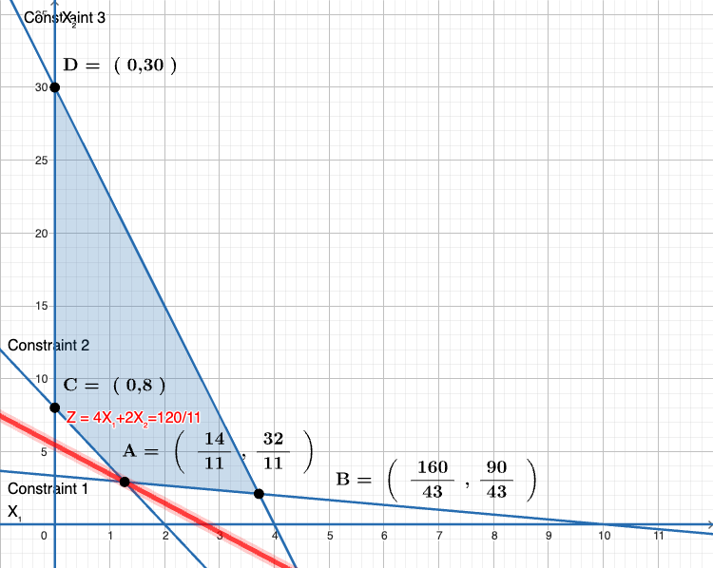

c)
 | Steak | Potatoes
Unit Cost | $4 | $2
 |  |  | Total Nutrition |  | Daily Requirement
 | Nutritional Info (grams/serving) |  | (grams) |  | (grams)
Carbohydrates | 5 | 15 | 50 | >= | 50
Protein | 20 | 5 | 40 | >= | 40
Fat | 15 | 2 | 24.91 | <= | 60

 | Steak | Potatoes |  |  | Total Cost
Servings | 1.27 | 2.91 |  |  | $10.91

 |  |  |  |  |  | Link to Graph

2.26a
a)
 |  | Bread | Peanut Butter | Jelly |  | Milk | Juice
 |  | (slice) | (tbsp) | (tbsp) | Apples | (cup) | (cup)
 | Unit Cost | $0.06 | $0.05 | $0.08 | $0.35 | $0.20 | $0.40

 |  |  |  | Nutritional Data |  |  |  | Total in Diet
 | Calories from Fat | 15 | 80 | 0 | 0 | 60 | 0 | 128.46 |  | Needed |  | Maximum
 | Calories | 80 | 100 | 70 | 90 | 120 | 110 | 443.08 | >= | 300 | <= | 500
 | Vitamin C (mg) | 0 | 0 | 4 | 6 | 2 | 80 | 60 | >= | 60
 | Fiber (g) | 4 | 0 | 3 | 10 | 0 | 1 | 11.69 | >= | 10

 |  | Bread | Peanut Butter | Jelly |  | Milk | Juice
 |  | (slice) | (tbsp) | (tbsp) | Apples | (cup) | (cup) |  |  | Total Cost
 | Diet (ounces) | 2 | 1 | 1 | 0 | 0.308 | 0.692 |  |  | $0.59
 |  | >= | >= | >=
 | Minimums | 2 | 1 | 1

 | Fat Calories | 128 | <= | 132.92 | 30% | of Total Calories |  | Why this constraint is formulated here?
 |  |  |  |  |  |  |  | Do these decision variables need to be integer?
 | Milk and Juice | 1 | >= | 1

b) Let B = slices of bread, P = Tbsp. of peanut butter, J = Tbsp. of jelly, A = number of apples, M = cups of milk, C = cups of cranberry juice.
Minimize Cost = $0.06B + $0.05P + $0.08J + $0.35A + $0.20M + $0.40C
subject to
80B + 100P + 70J + 90A + 120M +110C ≥ 300 80B + 100P + 70J + 90A + 120M +110C ≤ 500 15B + 80P + 60M ≤ 0.3(80B + 100P + 70J + 90A + 120M +110C)
15B + 80P + 60M - 0.3(80B + 100P + 70J + 90A + 120M +110C) < 0 # if modeling in R
4J + 6A + 2M + 80C ≥ 60 4B + 3J + 10A + C ≥ 10 B ≥ 2 P ≥ 1 J ≥ 1 M + C ≥ 1 and B≥ 0, P ≥ 0, J ≥ 0, A ≥ 0, M ≥ 0, C ≥ 0.

Case 2.1b
b) In part (a) above, we observed that the Cruiser demand constraint was not binding. Therefore, raising the demand for the Cruiser will not change the optimal solution. The marketing campaign should not be undertaken.

Case 2.1d
d) Using overtime labor increases the profit by $30,600,000 – $26,640,000 = $3,960,000. Rachel should therefore be willing to pay at most $3,960,000 extra for overtime labor beyond regular time rates.

Case 2.1f
The advertising campaign costs $500,000. In the solution to part (e), we used the maximum overtime labor available, and the maximum use of overtime labor costs $1,600,000. Thus, our solution in part (e) required an extra $500,000 + $1,600,000 = $2,100,000. We perform the following cost/benefit analysis: Profit in part (e): $32,400,000 - Advertising and overtime costs: $ 2,100,000 $30,300,000 We compare the $30,300,000 profit with the $26,640,000 profit obtained in part (a) and conclude that the decision to run the advertising campaign and use overtime labor is a very wise, profitable decision.

Case 2.1i
 | Family | Classy
 | Thrillseeker | Cruiser
Unit Profit | $3,600 | $5,400 |  |  |  | Range Name | Cells
 |  |  | Resources |  | Resources | ClassyCruisers | C11
 | Resource Requirements |  | Used |  | Available | Demand | C13
Labor Hours | 6 | 10.5 | 48,000 | <= | 48,000 | Production | B11:C11
Doors | 4 | 2 | 14,500 | <= | 20,000 | ResourcesAvailable | F6:F7
 |  |  |  |  |  | ResourcesUsed | D6:D7
 | Family | Classy |  |  |  | TotalProfit | F11
 | Thrillseeker | Cruiser |  |  | Total Profit | UnitProfit | B3:C3
Production | 1,875 | 3,500 |  |  | $25,650,000
 |  | =
Demand |  | 3,500
The new profit is $25,650,000, which is $26,640,000 – $25,650,000 = $990,000 less than the profit obtained in part (a). This decrease in profit is less than $2,000,000, so Rachel should meet the full demand for the Cruiser.

